Tab1
Photo | Article | Description | M | L | XL | XXL | Total | RRP/UVP
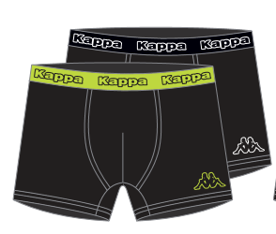 | 891185/8008-001 | Kappa Boxers 2-Pack Black/Limeade | 1161 | 2322 | 2322 | 1161 | 6966 | € 24.95
 | 891185/8008-002 | Kappa Boxers 2-Pack Black/Diva Blue | 1548 | 3096 | 3096 | 1548 | 9288 | € 24.95
 | 891185/8008-003 | Kappa Boxers 2-Pack Black/Dewberry | 1161 | 2322 | 2322 | 1161 | 6966 | € 24.95
 | 891199-001 | Kappa Boxers 2-Pack Black/Mid Grey | 2350 | 4700 | 4700 | 2350 | 14100 | € 24.95
 | 891199-002 | Kappa Boxers 2-Pack Black/Navy | 3222 | 6444 | 6444 | 3222 | 19332 | € 24.95
 | 891199-004 | Kappa Boxers 2-Pack Antra/Mid Grey | 2388 | 4776 | 4776 | 2388 | 14328 | € 24.95
 | 891512 | Kappa Boxers 2-Pack Black/Black | 9952 | 11196 | 9952 | 6220 | 37320 | € 24.95
 |  | Total |  |  |  |  | 108300
